Sheet1
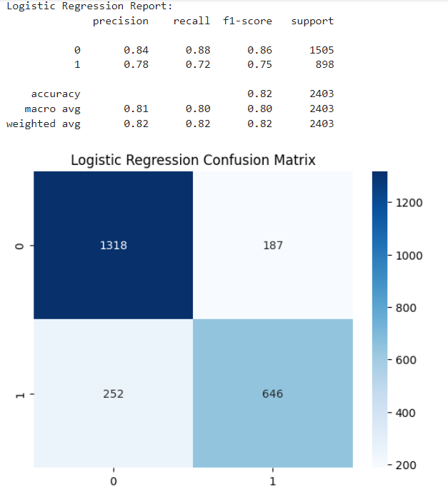
1318 | 187
252 | 646

